Workflow1
Name | Time per Task (seconds) | Quality (%)
Charlie | 1.5 | 91.4 | 1.Calculate the average TPT and average Quality score for both workflows
Indu | 1.6 | 92.9
Prajwal | 1.7 | 92.5 | 2Calculate the standard deviation of TPT and Quality score for both workflows
Vimla | 0.9 | 87
Amit | 2.2 | 92.5 | 3.Which workflow has larger standard deviation in respect to TPT?
Binny | 0.7 | 85 | Workflow 1 has largest standard deviation.
Pradyut | 2.3 | 91.6
Diwakar | 0.6 | 96 | 4.what is Standard deviation of Quality for both workflows
Amrit | 1.2 | 92.9 | Workflow1 | Workflow2
Debdas | 1.2 | 92.5 | 2.682003515 | 0.411085875
Anika | 1.4 | 91.5
Haritha | 1.4 | 91.7
Dhanya | 1.6 | 92.3 | 5.Prepare Histogram for TPT against both the workflows
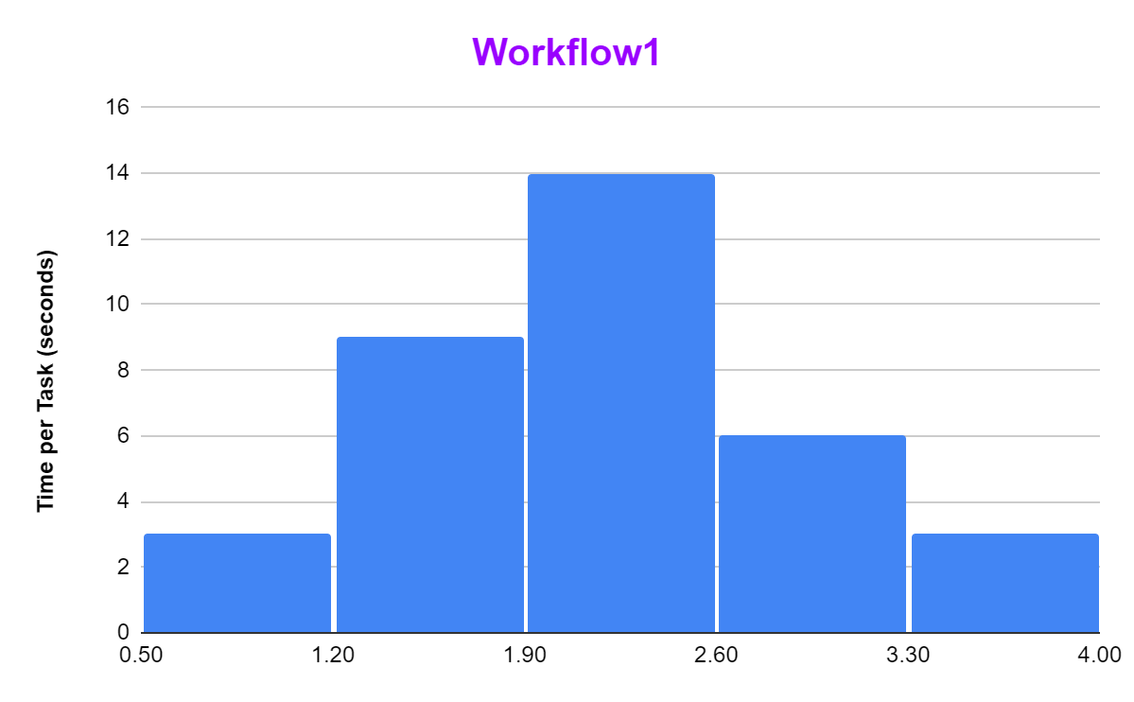
Venkat | 1.7 | 91.7
Afzal | 2.2 | 92.1
Prachi | 2.2 | 92.1
Anushka | 2.2 | 85
Firoza | 2.3 | 92.1
Mange | 2.1 | 92.6
Vimal | 2.3 | 92.6
Dipa | 2.3 | 92.2
Anand | 2.4 | 93.8
Gopal | 1.9 | 91.9
Vijay | 1.9 | 92.3
Preetha | 2.2 | 92
Nupur | 2.2 | 91.8
Neha | 3.2 | 92.2
Deepa | 2.7 | 92
Aniket | 3.2 | 91.9
Dhruti | 2.7 | 92.4
Wasim | 3.4 | 91.8
Arohi | 2.9 | 92.7 | 6.Prepare Scatter Plot for TPT vs. Quality for both the workflows
TPT vs. Quality
Vinay | 2.8 | 92.4
Praveen | 3.6 | 85
Biju | 3.5 | 84
AVERAGE => | 2.12 | 91.325714286
STANDARD DEVIATION => | 0.76650467172 | 2.6820035155

Workflow2
Name | Time per Task (seconds) | Quality (%)
Anand | 2.1 | 91.8 | 5.Prepare Histogram for TPT against both the workflows
Amit | 2.5 | 91.7
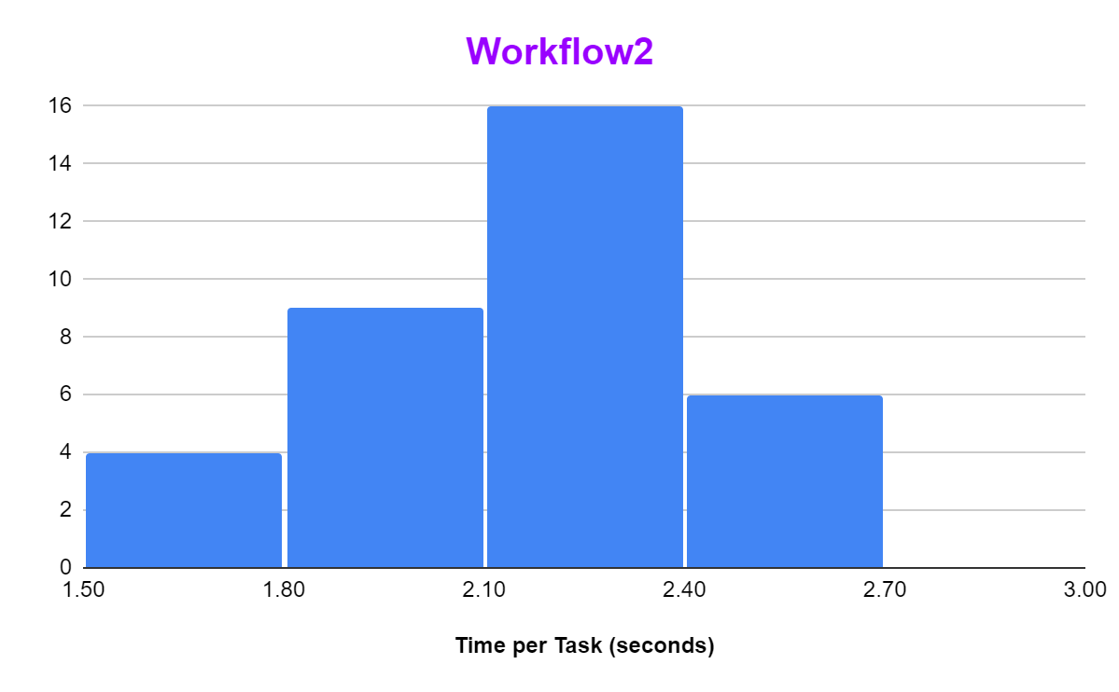
Aniket | 2.2 | 92.1
Afzal | 2.3 | 92.6
Arohi | 2 | 91.5
Anika | 1.9 | 91.9
Anushka | 2.3 | 92.7
Amrit | 2.2 | 91.4
Biju | 1.6 | 92.2
Binny | 1.9 | 92
Charlie | 2.3 | 92.3
Dipa | 2.6 | 91.9
Deepa | 2.2 | 92.4
Diwakar | 2.4 | 92.6
Dhruti | 2.3 | 91.7
Dhanya | 2.2 | 92.5
Firoza | 2.4 | 91.8
Gopal | 1.9 | 92.7
Debdas | 2.5 | 91.4
Haritha | 2.2 | 91.9 | 6.Prepare Scatter Plot for TPT vs. Quality for both the workflows
TPT vs. Quality
Indu | 2.2 | 92.5
Mange | 2.1 | 92.2
Nupur | 1.7 | 91.6
Neha | 2.2 | 92.3
Praveen | 2 | 92
Pradyut | 1.8 | 91.8
Prajwal | 1.7 | 92.4
Prachi | 2.3 | 92.1
Preetha | 2.4 | 91.7
Wasim | 2 | 92.6
Vinay | 2.2 | 91.5
Vijay | 1.8 | 91.9
Venkat | 2.1 | 92.7
Vimla | 1.7 | 91.4
Vimal | 2 | 92.2
AVERAGE => | 2.12 | 92.057142857
STANDARD DEVIATION => | 0.25298221281 | 0.41108587502

